10000195
Variable | Coefficient | Std_Error | t_stat | p_value | CI_Lower | CI_Upper |  | Metric | Value
0 | const | 8.954296 | 0.757802 | 11.816143 | 1.99E-22 | 7.455289 | 10.453303 | 0 | R-squared | 4.78E-01
1 | log_PTC_IG | -0.392283 | 0.156626 | -2.504579 | 1.35E-02 | -0.702106 | -0.082461 | 1 | Adj R-squared | 4.34E-01
2 | log_Budget | 0.013813 | 0.019395 | 0.712231 | 4.78E-01 | -0.024551 | 0.052178 | 2 | F-statistic | 1.10E+01
3 | Trend | 0.000185 | 0.00031 | 0.596908 | 5.52E-01 | -0.000428 | 0.000797 | 3 | Prob(F-statistic) | 3.34E-14
4 | Weekly Sin | 0.040069 | 0.01508 | 2.6571 | 8.85E-03 | 0.010239 | 0.069899 | 4 | AIC | -1.90E+02
5 | Weekly Cos | 0.035039 | 0.014989 | 2.33772 | 2.09E-02 | 0.00539 | 0.064688 | 5 | BIC | -1.55E+02
6 | log_category_growth | 0.406978 | 0.056032 | 7.263309 | 2.94E-11 | 0.296141 | 0.517815 | 6 | No. Observations | 1.44E+02
7 | log_market_share_ratio | 0.90886 | 2.106489 | 0.431457 | 6.67E-01 | -3.257984 | 5.075705
8 | ranking_change | 0.000554 | 0.013356 | 0.041511 | 9.67E-01 | -0.025865 | 0.026974
9 | log_comp_Change | -0.903269 | 0.558484 | -1.61736 | 1.08E-01 | -2.008005 | 0.201466
10 | First Week Flag | 0.026369 | 0.025803 | 1.021924 | 3.09E-01 | -0.024672 | 0.07741
11 | log_qty_lag7 | 0.000066 | 0.000038 | 1.751784 | 8.21E-02 | -0.000009 | 0.00014

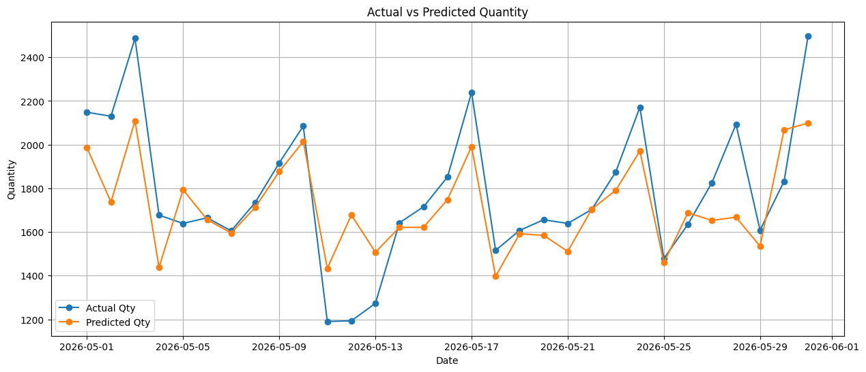
 | Test MAPE: 8.97%

10000196
Variable | Coefficient | Std_Error | t_stat | p_value | CI_Lower | CI_Upper |  | Metric | Value
0 | const | 8.102685 | 0.764877 | 10.593447 | 1.85E-19 | 6.589994 | 9.615377 | 0 | R-squared | 3.63E-01
1 | log_PTC_IG | -0.261066 | 0.145951 | -1.788721 | 7.59E-02 | -0.549713 | 0.027581 | 1 | Adj R-squared | 3.25E-01
2 | log_Budget | 0.020902 | 0.024915 | 0.838936 | 4.03E-01 | -0.028372 | 0.070176 | 2 | F-statistic | 9.60E+00
3 | Weekly Sin | 0.045276 | 0.015139 | 2.990721 | 3.31E-03 | 0.015336 | 0.075216 | 3 | Prob(F-statistic) | 1.82E-10
4 | Weekly Cos | 0.010303 | 0.014754 | 0.698302 | 4.86E-01 | -0.018877 | 0.039483 | 4 | AIC | -1.91E+02
5 | log_category_growth | 0.356766 | 0.05384 | 6.62646 | 7.52E-10 | 0.250288 | 0.463244 | 5 | BIC | -1.64E+02
6 | Festival Flag | -0.006711 | 0.027323 | -0.245606 | 8.06E-01 | -0.060746 | 0.047325 | 6 | No. Observations | 1.44E+02
7 | log_comp_Change | 0.258695 | 0.155135 | 1.667547 | 9.77E-02 | -0.048114 | 0.565505
8 | log_qty_lag7 | 0.000116 | 0.000075 | 1.554467 | 1.22E-01 | -0.000032 | 0.000264

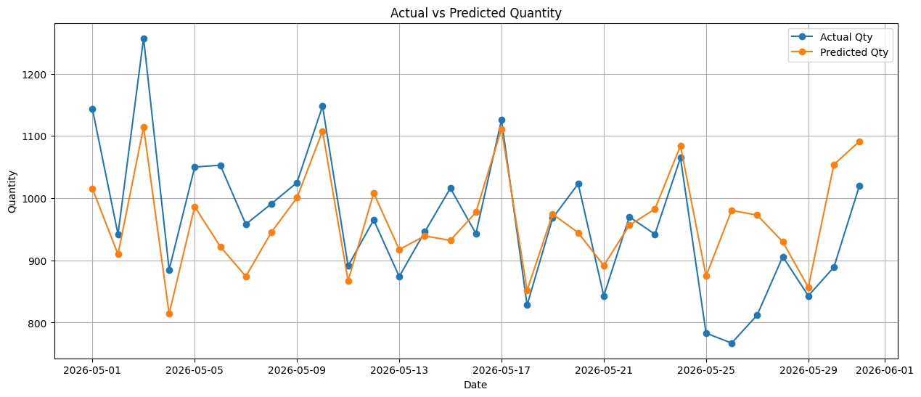
 |  |  | Test MAPE: 6.82%

10002013
Variable | Coefficient | Std_Error | t_stat | p_value | CI_Lower | CI_Upper |  | Metric | Value
0 | const | 10.597867 | 1.412605 | 7.502357 | 7.77E-12 | 7.80398 | 13.391753 | 0 | R-squared | 3.62E-01
1 | log_PTC_IG | -0.613825 | 0.215227 | -2.851987 | 5.03E-03 | -1.039507 | -0.188143 | 1 | Adj R-squared | 3.20E-01
2 | log_Budget | 0.003572 | 0.001555 | 2.297208 | 2.32E-02 | 0.000497 | 0.006647 | 2 | F-statistic | 8.46E+00
3 | Weekly Sin | 0.056796 | 0.021064 | 2.696366 | 7.91E-03 | 0.015135 | 0.098456 | 3 | Prob(F-statistic) | 6.01E-10
4 | Weekly Cos | 0.042765 | 0.021073 | 2.029346 | 4.44E-02 | 0.001086 | 0.084444 | 4 | AIC | -9.20E+01
5 | log_category_growth | 0.456058 | 0.075945 | 6.005143 | 1.69E-08 | 0.305853 | 0.606263 | 5 | BIC | -6.23E+01
6 | ranking_change | -0.003648 | 0.012104 | -0.301364 | 7.64E-01 | -0.027588 | 0.020292 | 6 | No. Observations | 1.44E+02
7 | log_mrp_Change | -16.291341 | 27.949057 | -0.582894 | 5.61E-01 | -71.569706 | 38.987025
8 | log_comp_Change | 0.288848 | 0.580821 | 0.497309 | 6.20E-01 | -0.859915 | 1.43761
9 | log_qty_lag7 | 0.000072 | 0.000081 | 0.896409 | 3.72E-01 | -0.000087 | 0.000232

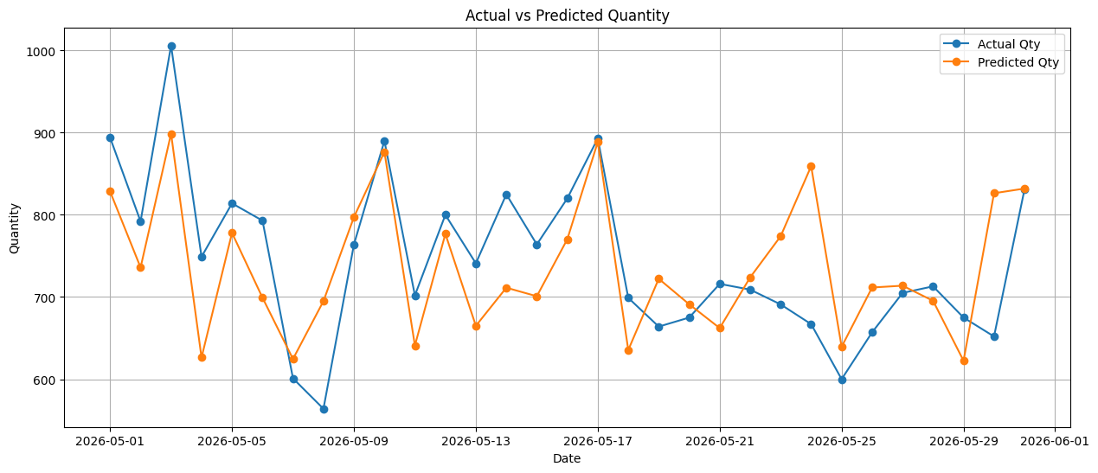

 | Test MAPE: 8.55%

10006061
Variable | Coefficient | Std_Error | t_stat | p_value | CI_Lower | CI_Upper |  | Metric | Value
0 | const | 7.727847 | 0.895552 | 8.629139 | 1.44E-14 | 5.956838 | 9.498856 | 0 | R-squared | 3.77E-01
1 | log_PTC_IG | -0.20401 | 0.150145 | -1.358756 | 1.76E-01 | -0.500931 | 0.09291 | 1 | Adj R-squared | 3.45E-01
2 | log_Budget | 0.012804 | 0.021292 | 0.601333 | 5.49E-01 | -0.029303 | 0.05491 | 2 | F-statistic | 1.18E+01
3 | Weekly Sin | 0.059549 | 0.01612 | 3.693995 | 3.19E-04 | 0.02767 | 0.091428 | 3 | Prob(F-statistic) | 1.14E-11
4 | Weekly Cos | 0.022075 | 0.01573 | 1.403367 | 1.63E-01 | -0.009032 | 0.053182 | 4 | AIC | -1.79E+02
5 | log_category_growth | 0.353186 | 0.056492 | 6.25197 | 4.89E-09 | 0.24147 | 0.464902 | 5 | BIC | -1.55E+02
6 | log_comp_Change | -0.104293 | 0.315456 | -0.330612 | 7.41E-01 | -0.728126 | 0.519539 | 6 | No. Observations | 1.44E+02
7 | log_qty_lag7 | 0.000156 | 0.000082 | 1.896869 | 6.00E-02 | -0.000007 | 0.000318

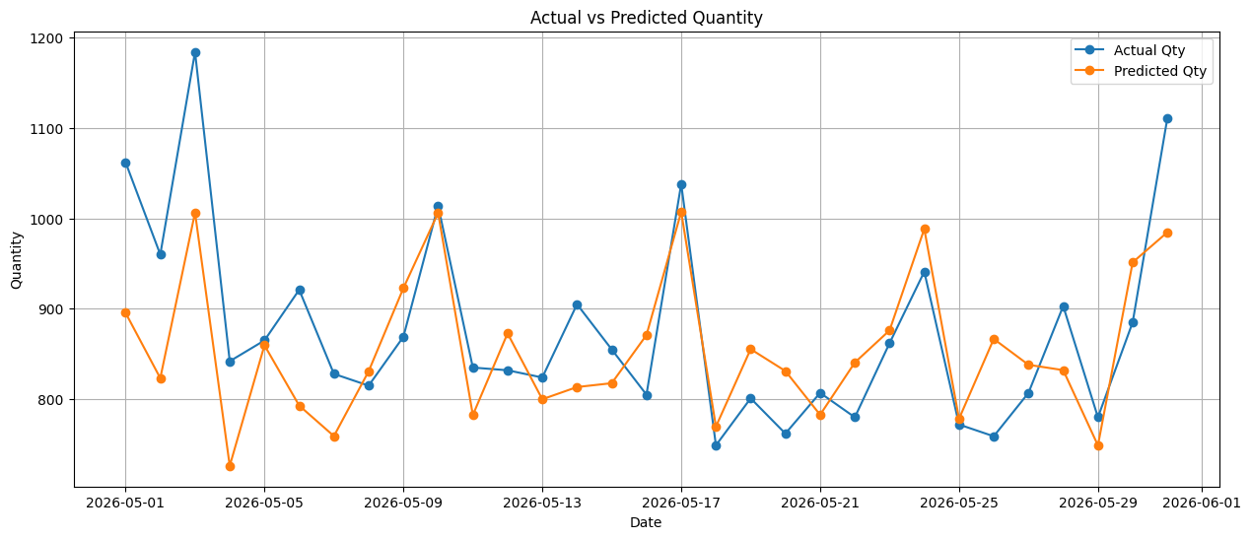
 | Test MAPE: 6.96%

10006305
Variable | Coefficient | Std_Error | t_stat | p_value | CI_Lower | CI_Upper |  | Metric | Value
0 | const | 7.707523 | 0.676065 | 11.40056 | 1.05E-21 | 6.370906 | 9.044141 | 0 | R-squared | 4.71E-01
1 | log_PTC_IG | -0.359517 | 0.107855 | -3.333328 | 1.10E-03 | -0.572753 | -0.146281 | 1 | Adj R-squared | 4.37E-01
2 | log_Budget | 0.007449 | 0.001263 | 5.897451 | 2.64E-08 | 0.004952 | 0.009946 | 2 | F-statistic | 1.38E+01
3 | Weekly Sin | 0.080052 | 0.018623 | 4.298465 | 3.20E-05 | 0.043233 | 0.116872 | 3 | Prob(F-statistic) | 9.68E-16
4 | Weekly Cos | 0.017431 | 0.018444 | 0.94504 | 3.46E-01 | -0.019035 | 0.053896 | 4 | AIC | -1.22E+02
5 | log_category_growth | 0.431192 | 0.065551 | 6.577959 | 8.81E-10 | 0.301594 | 0.560789 | 5 | BIC | -9.19E+01
6 | ranking_change | 0.001629 | 0.014789 | 0.110161 | 9.12E-01 | -0.02761 | 0.030869 | 6 | No. Observations | 1.50E+02
7 | log_CPM_Change | 0.006418 | 0.009091 | 0.705955 | 4.81E-01 | -0.011556 | 0.024391
8 | log_mrp_Change | 9.920139 | 30.40994 | 0.326214 | 7.45E-01 | -50.201946 | 70.042224
9 | First Week Flag | 0.116743 | 0.03215 | 3.631142 | 3.95E-04 | 0.05318 | 0.180306

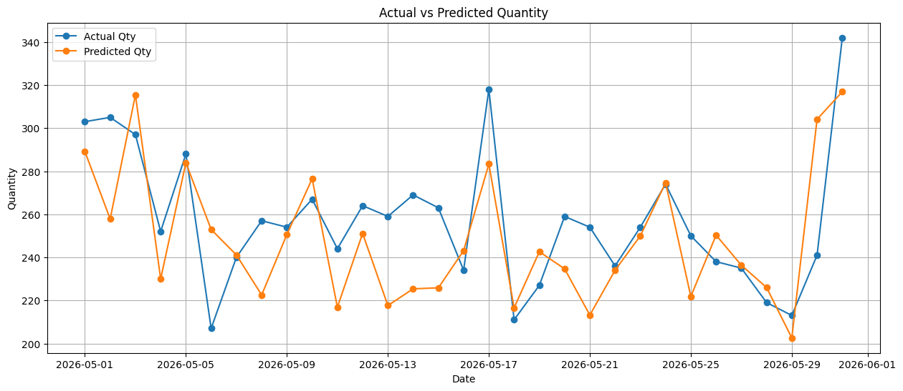

 | Test MAPE: 8.09%

10012362
Variable | Coefficient | Std_Error | t_stat | p_value | CI_Lower | CI_Upper |  | Metric | Value
0 | const | 4.26E+00 | 8.25E-01 | 5.164929 | 8.24E-07 | 2.63E+00 | 5.90E+00 | 0 | R-squared | 4.31E-01
1 | Trend | 7.15E-04 | 2.64E-04 | 2.702951 | 7.74E-03 | 1.92E-04 | 1.24E-03 | 1 | Adj R-squared | 3.85E-01
2 | Weekly Sin | 4.66E-02 | 1.26E-02 | 3.686772 | 3.26E-04 | 2.16E-02 | 7.16E-02 | 2 | F-statistic | 9.49E+00
3 | Weekly Cos | 1.19E-04 | 1.29E-02 | 0.009193 | 9.93E-01 | -2.54E-02 | 2.56E-02 | 3 | Prob(F-statistic) | 1.38E-12
4 | log_category_growth | 3.24E-01 | 4.60E-02 | 7.06125 | 7.38E-11 | 2.34E-01 | 4.15E-01 | 4 | AIC | -2.34E+02
5 | log_market_share_ratio | 4.48E-03 | 1.19E-02 | 0.375274 | 7.08E-01 | -1.91E-02 | 2.81E-02 | 5 | BIC | -1.98E+02
6 | ranking_change | -1.63E-12 | 2.26E-12 | -0.721945 | 4.72E-01 | -6.09E-12 | 2.83E-12 | 6 | No. Observations | 1.50E+02
7 | Festival Flag | -3.32E-02 | 2.18E-02 | -1.51963 | 1.31E-01 | -7.63E-02 | 9.99E-03
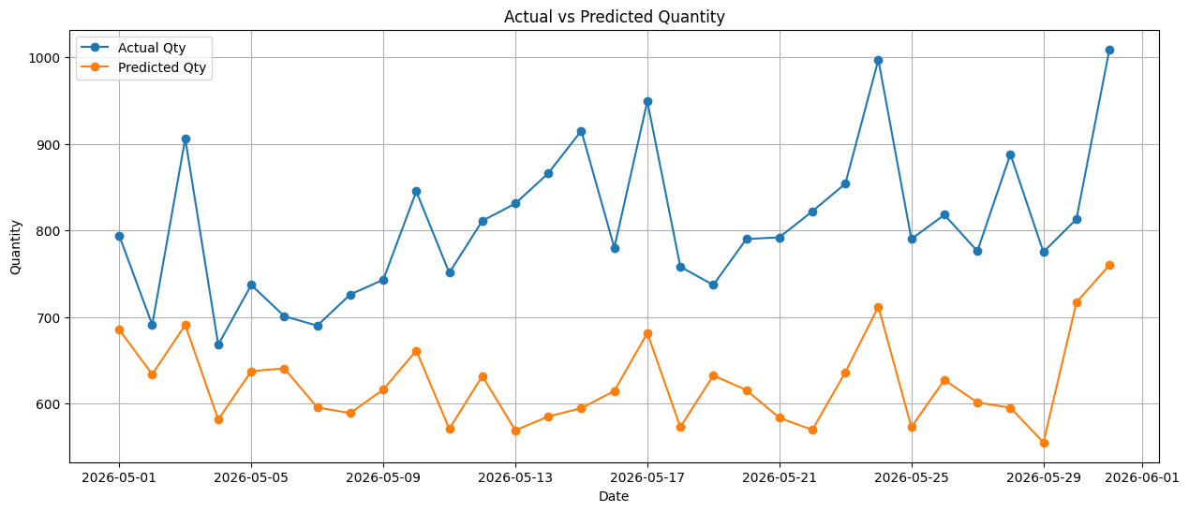
8 | log_CPM_Change | 6.25E-02 | 5.58E-02 | 1.121285 | 2.64E-01 | -4.77E-02 | 1.73E-01
9 | log_mrp_Change | -3.28E+01 | 4.54E+01 | -0.721772 | 4.72E-01 | -1.23E+02 | 5.70E+01
10 | log_comp_Change | 7.15E-02 | 1.71E-01 | 0.418413 | 6.76E-01 | -2.66E-01 | 4.09E-01
11 | First Week Flag | 7.27E-02 | 2.17E-02 | 3.343609 | 1.06E-03 | 2.97E-02 | 1.16E-01
12 | log_PTC_IG | 3.54E-01 | 1.47E-01 | 2.403242 | 1.76E-02 | 6.27E-02 | 6.44E-01

 | Test MAPE: 22.24%

10030412
Variable | Coefficient | Std_Error | t_stat | p_value | CI_Lower | CI_Upper |  | Metric | Value
0 | const | 5.65136 | 1.266495 | 4.462206 | 1.71E-05 | 3.146283 | 8.156437 | 0 | R-squared | 3.13E-01
1 | log_PTC_IG | -0.07308 | 0.201822 | -0.362102 | 7.18E-01 | -0.472275 | 0.326115 | 1 | Adj R-squared | 2.61E-01
2 | log_Budget | 0.001159 | 0.00305 | 0.379988 | 7.05E-01 | -0.004874 | 0.007192 | 2 | F-statistic | 6.05E+00
3 | Trend | 0.001373 | 0.000648 | 2.117449 | 3.61E-02 | 0.00009 | 0.002655 | 3 | Prob(F-statistic) | 1.51E-07
4 | log_category_growth | 0.436361 | 0.078989 | 5.524359 | 1.68E-07 | 0.280125 | 0.592598 | 4 | AIC | -6.48E+01
5 | ranking_change | -0.020727 | 0.021926 | -0.945314 | 3.46E-01 | -0.064095 | 0.022641 | 5 | BIC | -3.22E+01
6 | Festival Flag | -0.03353 | 0.04218 | -0.794942 | 4.28E-01 | -0.11696 | 0.049899 | 6 | No. Observations | 1.44E+02
7 | log_CPM_Change | -0.009014 | 0.009169 | -0.983147 | 3.27E-01 | -0.027149 | 0.009121
8 | log_mrp_Change | 6.373768 | 7.435196 | 0.857243 | 3.93E-01 | -8.332762 | 21.080299
9 | log_comp_Change | 0.291765 | 0.202773 | 1.438879 | 1.53E-01 | -0.109311 | 0.692842
10 | log_qty_lag7 | 0.000538 | 0.000312 | 1.724543 | 8.69E-02 | -0.000079 | 0.001156

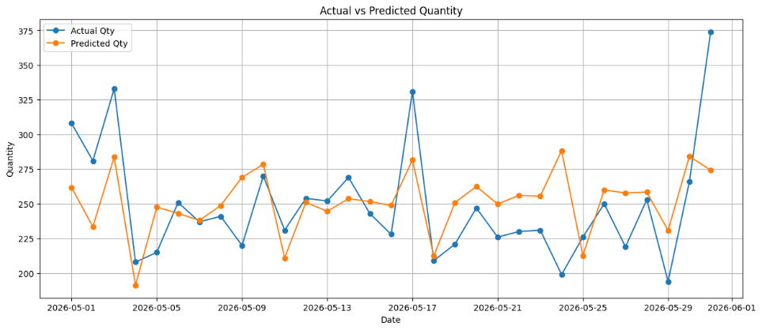
 | Test MAPE: 10.62%

10046799
Variable | Coefficient | Std_Error | t_stat | p_value | CI_Lower | CI_Upper |  | Metric | Value
0 | const | 1.680394 | 1.058127 | 1.588083 | 1.15E-01 | -0.417446 | 3.778234 | 0 | R-squared | 5.28E-01
1 | Trend | 0.000682 | 0.000468 | 1.458089 | 1.48E-01 | -0.000245 | 0.001609 | 1 | Adj R-squared | 4.75E-01
2 | Weekly Sin | 0.05193 | 0.016734 | 3.103264 | 2.45E-03 | 0.018753 | 0.085107 | 2 | F-statistic | 9.89E+00
3 | Weekly Cos | 0.024531 | 0.016993 | 1.443571 | 1.52E-01 | -0.00916 | 0.058221 | 3 | Prob(F-statistic) | 1.06E-12
4 | log_category_growth | 0.399431 | 0.06049 | 6.603269 | 1.64E-09 | 0.279504 | 0.519358 | 4 | AIC | -1.43E+02
5 | log_market_share_ratio | 0.006483 | 0.013307 | 0.487204 | 6.27E-01 | -0.019899 | 0.032865 | 5 | BIC | -1.07E+02
6 | ranking_change | 0.000431 | 0.012113 | 0.035589 | 9.72E-01 | -0.023583 | 0.024445 | 6 | No. Observations | 1.19E+02
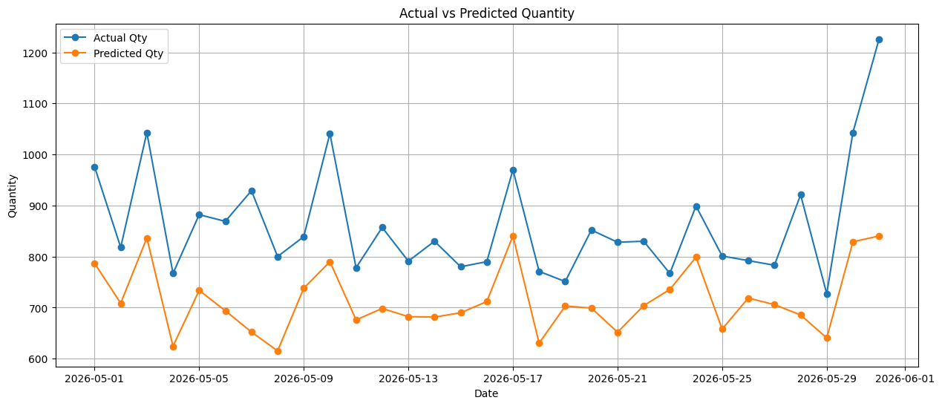
7 | Festival Flag | -0.021143 | 0.025904 | -0.816197 | 4.16E-01 | -0.072501 | 0.030215
8 | log_CPM_Change | 0.008912 | 0.007422 | 1.200761 | 2.33E-01 | -0.005803 | 0.023627
9 | log_mrp_Change | 69.381812 | 67.454755 | 1.028568 | 3.06E-01 | -64.353801 | 203.117424
10 | log_comp_Change | 0.108348 | 0.075243 | 1.439977 | 1.53E-01 | -0.040828 | 0.257525
11 | First Week Flag | 0.053664 | 0.028215 | 1.90199 | 5.99E-02 | -0.002274 | 0.109602
12 | log_PTC_IG | 0.767514 | 0.177692 | 4.319347 | 3.54E-05 | 0.415222 | 1.119807

 | Test MAPE: 16.65%

10117961
Variable | Coefficient | Std_Error | t_stat | p_value | CI_Lower | CI_Upper |  | Metric | Value
0 | const | 7.648626 | 1.144858 | 6.680852 | 5.18E-10 | 5.385181 | 9.912072 | 0 | R-squared | 3.32E-01
1 | log_PTC_IG | -0.010196 | 0.20104 | -0.050717 | 9.60E-01 | -0.407663 | 0.387271 | 1 | Adj R-squared | 2.89E-01
2 | log_Budget | 0.003803 | 0.011896 | 0.319659 | 7.50E-01 | -0.019717 | 0.027323 | 2 | F-statistic | 7.72E+00
3 | Weekly Sin | 0.043614 | 0.01499 | 2.909458 | 4.21E-03 | 0.013977 | 0.073251 | 3 | Prob(F-statistic) | 3.58E-09
4 | Weekly Cos | 0.00164 | 0.015179 | 0.108025 | 9.14E-01 | -0.02837 | 0.03165 | 4 | AIC | -1.83E+02
5 | log_category_growth | 0.418866 | 0.053699 | 7.800293 | 1.29E-12 | 0.312701 | 0.525032 | 5 | BIC | -1.53E+02
6 | log_market_share_ratio | 0.006543 | 0.013445 | 0.486674 | 6.27E-01 | -0.020038 | 0.033124 | 6 | No. Observations | 1.50E+02
7 | ranking_change | 0.007386 | 0.008652 | 0.853741 | 3.95E-01 | -0.009719 | 0.024491
8 | log_mrp_Change | 19.51708 | 21.241129 | 0.918834 | 3.60E-01 | -22.477772 | 61.511932
9 | log_comp_Change | -0.113199 | 0.342287 | -0.330714 | 7.41E-01 | -0.78992 | 0.563521
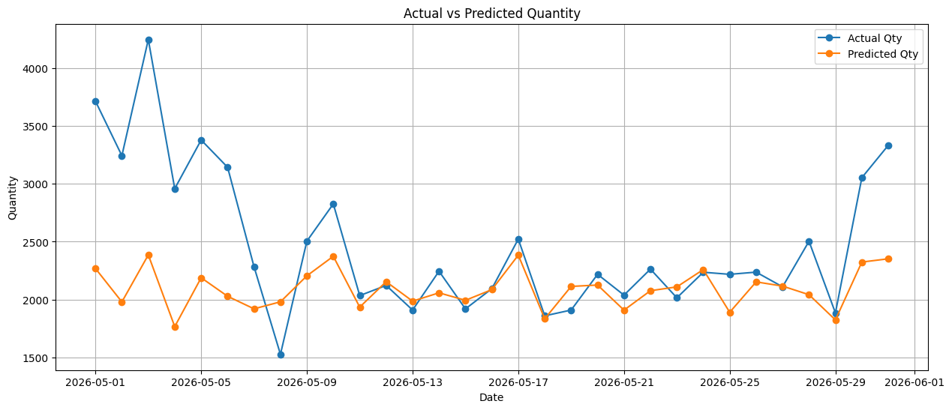

 | Test MAPE: 15.02%

